Sheet1
NNNOW
IDENTIFIED BY :AJMAL SAGEER VERSION NO: DATE: BROWSER NAME:GOOGLE CHROME OS WINDOWS

BUG ID | EXPECTED RESULT | BUG DESCRIPTION | STEP TO REPRODUCE | SCREENSHOT | SEVIORITY | PRIORITY | STATUS
DEF_DL_01 | the discount shown on the homscreen as given should same as product details | not all showned product have same discount rate | 1.open the application 2.click on the product shown on discount | 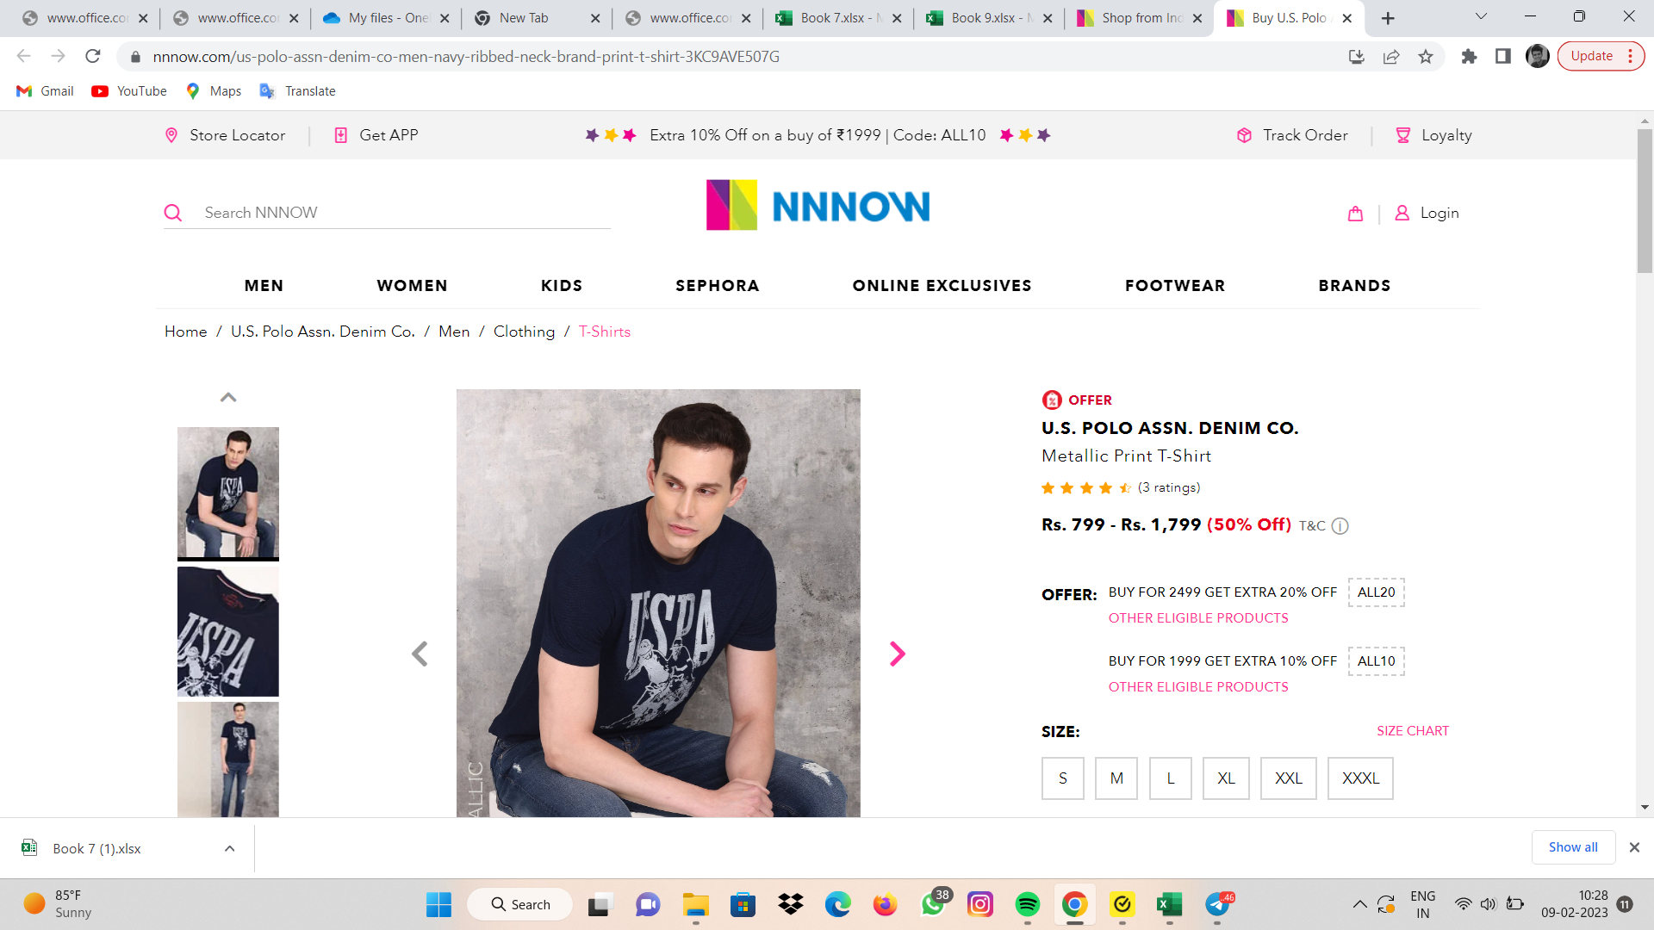 | minor | p1 | new

DEF_DL_02 | email should only accept correct format | it will not accept with @but its accepts with @g.com and everything else | 1.open the application 2.click on sign up 3.enter without @ 4.enter with a@g.com 5.enter the a@gmail.com | 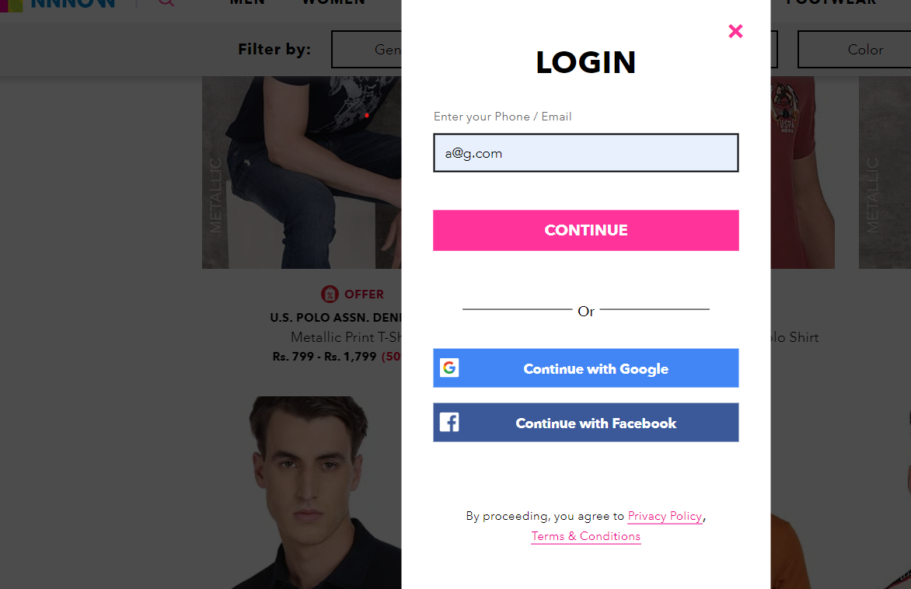 | minor | p2 | new

DEF_DL_03 | filtering should works correcly on the search result page | all filters are not working correcly 1.colour | 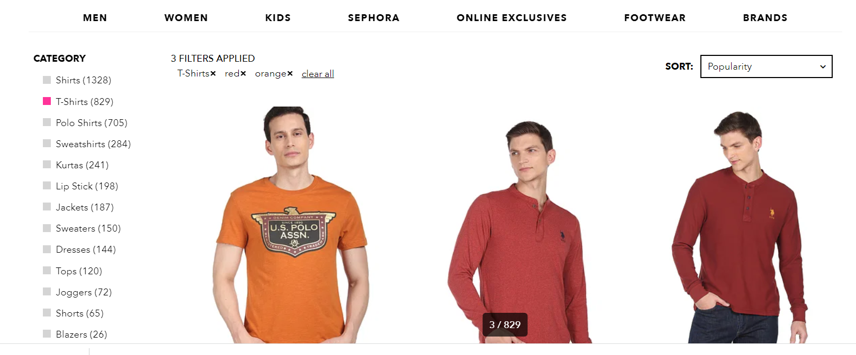 1.open the application 2.click on search button 3.click on filters |  | minor | p2 | new

DEF_DL_04 | costemer reviw should shown on the product buy page | all the costemrs review not shown | 1.open the application 2.click search button on home 3.search a product | 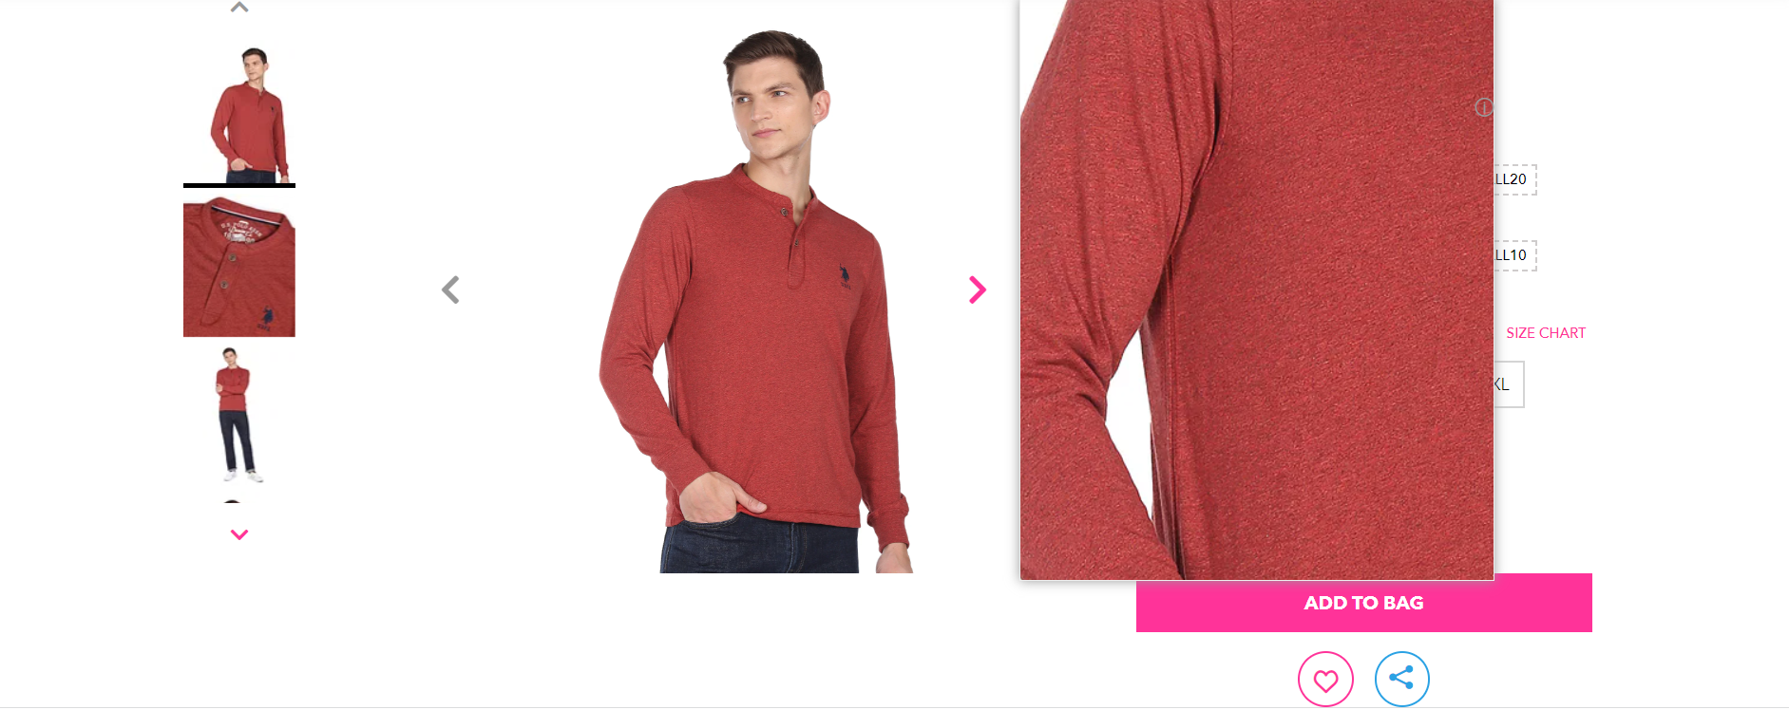 | minor | p2 | new

DEF_DL_05 | all function should wroking while scrolling | all function not working not correcly while scrolling | 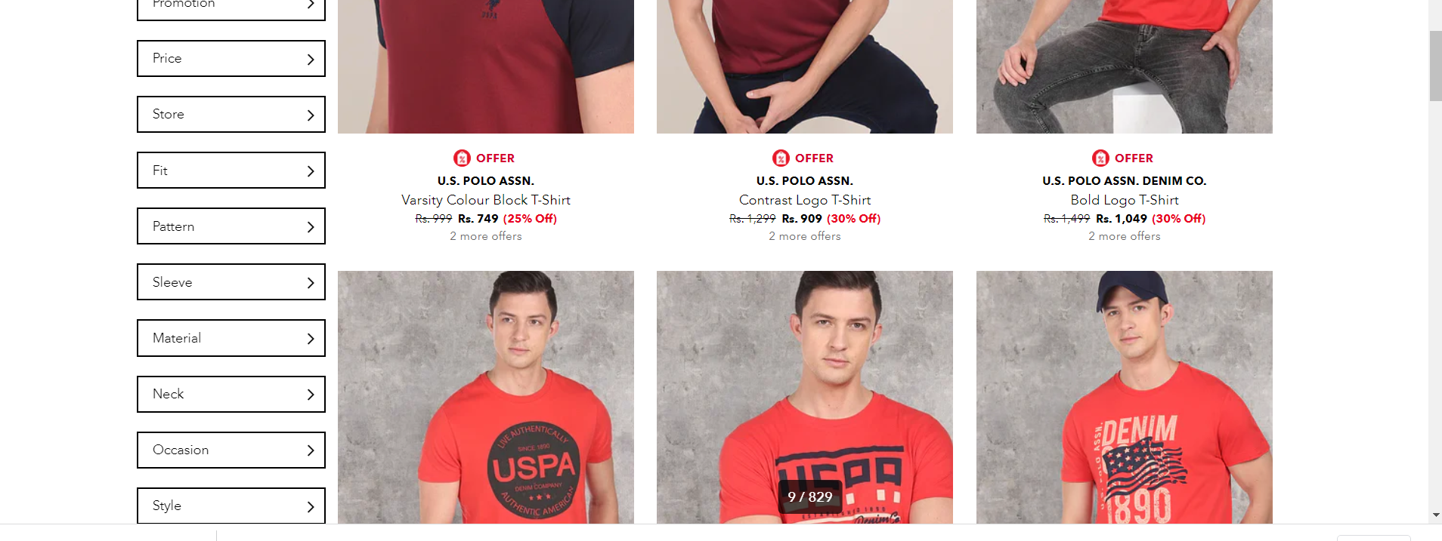 1.open the application 2scroll down 3.take a look on home screen |  | minor | p2 | new

